Sheet1
Challenge 220:
Project Critical Path!
Continuing from the previous challenge, extract the project's critical path.
The critical path includes all tasks where a change in their duration does not affect the overall project length.
In the provided graph, for example, Task 7 can have its duration changed by one day without impacting the total project length.
Question |  |  | Result
Task Name | Duration (day) | Predecessors | Criticla Path
1 | 5 | - | 1,2,4,8,7,9
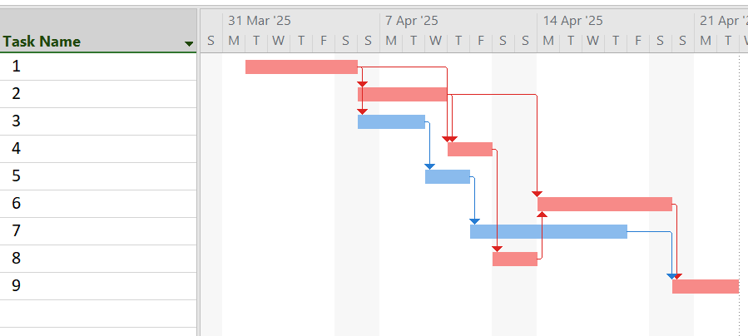
2 | 4 | 1
3 | 3 | 1
4 | 2 | 1,2
5 | 2 | 3
6 | 6 | 2,8
7 | 7 | 5
8 | 2 | 4
9 | 3 | 7,6

